Feuil1
Identifier | Year | Title | Author | Citation | Type | Problématique | Approche proposée | Limite
https://doi.org/10.1038/s41598-025-15138-x | 2025 | Cyberattack event and arguments extraction based on feature interaction and few-shot learning | Han Y. | Han, Y., Han, W., Li, A., & Li, S. (2025). Cyberattack event and arguments extraction based on feature interaction and few-shot learning. Scientific Reports, 15(1). https://doi.org/10.1038/s41598-025-15138-x | Experimentation | How can we improve BERT extraction methods, improve the performaces , … ? | CAFIIE, a method for ex tracting CTI event types and event arguments. The attention mechanism is incorporated into the general BiLSTM-CRF semantic analysis method to enrich the semantic features. | the current single-task training paradigm imposes substantial computational and temporal costs. Recent developments in continual learning demonstrate promising results for multi-task scenarios. Consequently, Scientific Reports | (2025) 15:31808 | https://doi.org/10.1038/s41598-025-15138-x 10 www.nature.com/scientificreports/ a key research direction involves investigating large-scale parameterized models that can simultaneously process multiple security event attribute extraction tasks without compromising accuracy.
https://doi.org/10.1016/j.cosrev.2025.100765 | 2025 | NLP-based techniques for Cyber Threat Intelligence | Arazzi M. | Arazzi, M., R. Arikkat, D., Nicolazzo, S., Nocera, A., Rehiman K.A., R., P., V., & Conti, M. (2025). NLP-based techniques for Cyber Threat Intelligence. Computer Science Review, 58, 100765. https://doi.org/10.1016/j.cosrev.2025.100765 | SLR ? |  | providing a clear and updated picture of the CTI landscap: We undertake a comprehensive examination of crawling techniques to extract data from main CTI Web sources, namely social networks, clear, and Dark Web.• We analyze NLP models, techniques, and applications within theCTI domain. In particular, we give a detailed picture of the main papers dealing with text classification, similarity, clustering,summarization, cross-lingual, and topic detection in the context ofCTI.• We describe the most recent results of NLP-based techniques forrelation extraction and representation.• We address the topics of CTI standardization protocols and resultssharing. •We exhaustively examine the challenges and limitations of NLP in threat intelligence, including data quality issues, CTI security, and ethical considerations.
https://doi.org/10.1007/s10115-025-02491-6 | 2025 | Mining temporal attack patterns from cyberthreat intelligence reports | Rahman M.R. | Rahman, M. R., Wroblewski, B., Matthews, Q., Morgan, B., Menzies, T., & Williams, L. (2025). Mining temporal attack patterns from cyberthreat intelligence reports. Knowledge and Information Systems, 67(10), 8941–8981. https://doi.org/10.1007/s10115-025-02491-6 | Experimentation | Les rapports CTI décrivent les actions des attaquants comme une séquence temporelle, mais les méthodes actuelles d'extraction automatisée échouent à capturer l'ordre chronologique de ces actions, rendant difficile la compréhension de la progression réelle d'une attaque. | L'outil ChronoCTI utilise des techniques de traitement du langage naturel (NLP) et de l'apprentissage automatique pour extraire les techniques MITRE ATT&CK et les lier par des relations temporelles (ex: "avant", "pendant", "après"), permettant ainsi de modéliser des modèles d'attaque dynamiques. | Le pipeline repose sur des modèles de deep learning supervisés qui nécessitent un étiquetage manuel important et peuvent présenter des performances inégales selon la complexité du langage utilisé dans les rapports pour décrire le temps. | Utile pour future work
https://doi.org/10.3390/electronics14142878 | 2025 | SC-LKM: A Semantic Chunking and Large Language Model-Based Cybersecurity Knowledge Graph Construction Method | Wang P. | Wang, P., Zhang, Y., Zhou, Z., & Wang, Y. (2025). SC-LKM: A Semantic Chunking and Large Language Model-Based Cybersecurity Knowledge Graph Construction Method. Electronics, 14(14), 2878. https://doi.org/10.3390/electronics14142878 | Experimentation | Les méthodes traditionnelles de construction de graphes de connaissances (CKG) peinent à traiter les rapports de cybersécurité longs et complexes, car le découpage classique du texte (par longueur fixe) casse la cohérence sémantique nécessaire à l'extraction précise des entités et des relations. | La méthode SC-LKM introduit un "découpage sémantique" (Semantic Chunking) basé sur la densité de sens pour préserver le contexte, couplé à un LLM (comme GPT-4) pour réaliser une extraction conjointe des triplets (entités et relations) avec une stratégie de "réflexion" pour corriger les erreurs. | Malgré l'utilisation de techniques pour réduire les hallucinations, le modèle reste dépendant des capacités de raisonnement du LLM utilisé et peut présenter des limites de précision lors de l'extraction de relations très complexes ou imbriquées dans des contextes extrêmement denses
https://doi.org/10.1016/j.cose.2024.104120 | 2025 | Entity and relation extractions for threat intelligence knowledge graphs | Mouiche I. | Mouiche, I., & Saad, S. (2025). Entity and relation extractions for threat intelligence knowledge graphs. Computers &amp; Security, 148, 104120. https://doi.org/10.1016/j.cose.2024.104120 | Experimentation | Comment améliorer la précision de l'extraction des entités/relations ? | 3 step pipeline, BiLSTM, deep learning | Qualité des datasets, problèmes de scalabilité, de réutilisabilité dans le temps
https://dl.acm.org/doi/pdf/10.1145/3688671.3688738 | 2024 | Mapping the Current Status of CTI Knowledge Graphs through a Bibliometric Analysis | Papoutsoglou M. | Papoutsoglou, M., Meditskos, G., Bassiliades, N., Kontopoulos, E., & Vrochidis, S. (2024). Mapping the Current Status of CTI Knowledge Graphs through a Bibliometric Analysis. Proceedings of the 13th Hellenic Conference on Artificial Intelligence, 1–6. https://doi.org/10.1145/3688671.3688738 | Littérature review | Idée globale de la situation entre 2020 et 2024
https://doi.org/10.1016/j.cose.2024.103999 | 2024 | LLM-TIKG: Threat intelligence knowledge graph construction utilizing large language model | Hu Y. | Hu, Y., Zou, F., Han, J., Sun, X., & Wang, Y. (2024). LLM-TIKG: Threat intelligence knowledge graph construction utilizing large language model. Computers &amp; Security, 145, 103999. https://doi.org/10.1016/j.cose.2024.103999 | Experimentation | Solve those 3 problems limitations: Accuracy of information extraction: • Threat intelligence enti ties exhibit domain-specific characteristics, such as ambiguous entity boundaries and polysemous expressions, which complicate the named entity recognition The present approach also faces limitations related to the maximum sequence length, resulting in decreased effectiveness for long text. These two factors affect the accuracy of information extraction. • Demand for labeled data: Current approaches heavily depend on an extensive corpus of annotated data Moreover, there is a scarcity of authoritative open-source threat intelligence an notation datasets, and data annotation for model training necessitates significant labor investment. • Absence of attack behaviors: Current research ignores descrip tions of attack behaviors in textual information, such as ‘‘inject shellcode into file’’, from which it is challenging to extract entities. | Fint tuning, Few shot learning, extract entity and relations via GPT | Can still be improved (based on author) | Bon article pour mon sujet
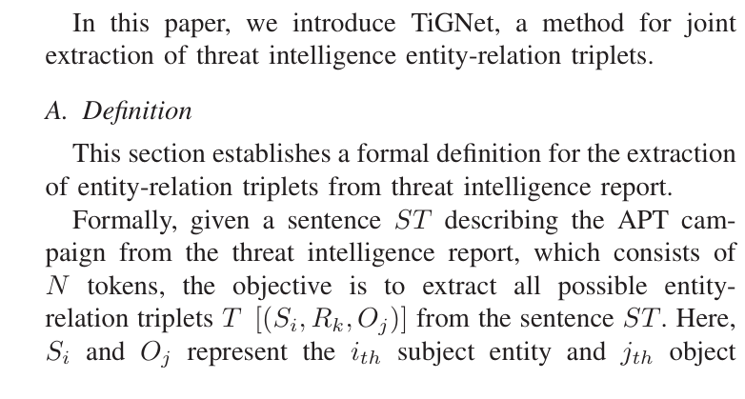
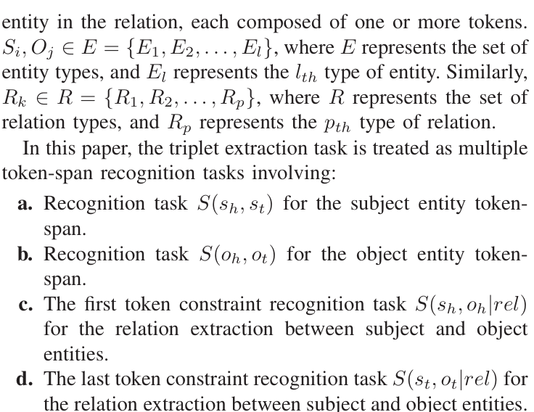
https://doi.org/10.1109/ICDM59182.2024.00049 | 2024 | ChronoCTI: Mining Knowledge Graph of Temporal Relations Among Cyberattack Actions | Rahman M.R. | Rahman, M. R., Wroblewski, B., Matthews, Q., Morgan, B., Menzies, T., & Williams, L. (2024). ChronoCTI: Mining Knowledge Graph of Temporal Relations Among Cyberattack Actions. 2024 IEEE International Conference on Data Mining (ICDM), 420–429. https://doi.org/10.1109/icdm59182.2024.00049 |  |  | Pas directement utile mais montre le concept de temporalité entre les phases des cyberattaques
https://doi.org/10.1109/CSCWD61410.2024.10580395 | 2024 | TiGNet: Joint entity and relation triplets extraction for APT campaign threat intelligence | You Y. | You, Y., Jiang, Z., Zhang, K., Feng, H., Jiang, J., & Yang, P. (2024). TiGNet: Joint entity and relation triplets extraction for APT campaign threat intelligence. 2024 27th International Conference on Computer Supported Cooperative Work in Design (CSCWD), 1687–1694. https://doi.org/10.1109/cscwd61410.2024.10580395 | Experimentation | Improve Joint entity relation extraction by resolving the main probkems. Main problems solved in Nevertheless, these methods using sequence labeling tasks face challenges in extracting entity-relation triplets with Single Entity Overlap (SEO) or Subject-Object Overlap (SOO) problems. | employs multiple token-span recognition tasks to extract triplets. It establishes token connections via the token-pair matrix, facilitating the extraction of triplets even in scenarios involving SEO and SOO | Precision, Recall et F1 mieux que les précédents mais pas encore assez bon. P = 74, R = 65 et F1 = 69
https://doi.org/ | 2024 | 29th International Conference on Natural Language and Information Systems, NLDB 2024 | unknown | - |  | -
https://doi.org/ | 2024 | 29th International Conference on Natural Language and Information Systems, NLDB 2024 | unknown |  |  | -
https://doi.org/10.1109/TKDE.2022.3175719 | 2023 | CSKG4APT: A Cybersecurity Knowledge Graph for Advanced Persistent Threat Organization Attribution | Ren Y. | Ren, Y., Xiao, Y., Zhou, Y., Zhang, Z., & Tian, Z. (2023). CSKG4APT: A Cybersecurity Knowledge Graph for Advanced Persistent Threat Organization Attribution. IEEE Transactions on Knowledge and Data Engineering, 35(6), 5695–5709. https://doi.org/10.1109/tkde.2022.3175719 |  | Pas trouvé | Pas trouvé | pas trouvé
https://sci-hub.hlgczx.com/https://doi.org/10.1109/TKDE.2022.3175719 | 2023 | A novel feature integration and entity boundary detection for named entity recognition in cybersecurity | Wang X. | Wang, X., & Liu, J. (2023). A novel feature integration and entity boundary detection for named entity recognition in cybersecurity. Knowledge-Based Systems, 260, 110114. https://doi.org/10.1016/j.knosys.2022.110114 |  | Les modèles actuels de reconnaissance d'entités (NER) en cybersécurité sont peu performants pour détecter les limites (boundaries) des termes techniques complexes et intègrent mal les relations structurelles entre les mots. | Le modèle FIEBD combine un modèle de langage pré-entraîné (PERT) avec une nouvelle cellule neuronale nommée GARU qui fusionne explicitement les caractéristiques structurelles des graphes et les données textuelles séquentielles via un mécanisme de porte. | L'approche repose sur un apprentissage supervisé, ce qui nécessite des jeux de données volumineux et manuellement annotés, un processus laborieux et difficile à mettre à l'échelle face à l'évolution rapide des cyber-menaces.
https://doi.org/10.1109/CSECS60003.2023.10428218 | 2023 | Improving Cybersecurity Named Entity Recognition with Large Language Models | Qiao Z. | Qiao, Z., Zhang, C., & Du, G. (2023). Improving Cybersecurity Named Entity Recognition with Large Language Models. 2023 6th International Conference on Software Engineering and Computer Science (CSECS), 01–06. https://doi.org/10.1109/csecs60003.2023.10428218 |  | Extraction des entités via blstm basique, peut relevant
C:\Users\cleme\OneDrive\Bureau\M2\Memoire\Articles\CRUSH Cybersecurity Research using Universal LLMs and Semantic Hypernetworks.pdf | 2023 | CRUSH: Cybersecurity Research using Universal LLMs and Semantic Hypernetworks | Sewak M. | CRUSH: Cybersecurity Research using Universal LLMs and Semantic Hypernetworks |  | Utile pour la détection des TTPs mais pas pour le sujet | Addressing LLM Issues- Noise, Hallucination, Reasoning, and Planning At appropriate stages in the methodology (refer section 5, we use LLMs to standardize the TTPs to standardized threat nomenclature as provided by third parties like MITRE ATT&CK[16] to reduce noise in the EKG and for a fair comparison. Some of the LLMs endpoints in the list (example LLM 3.1) come augmented with RAG, search, and planning.
C:\Users\cleme\OneDrive\Bureau\M2\Memoire\Articles\validated articles\Automated TTP Extraction from CIT reports, where are we yet.pdf | 2025 | SoK: Automated TTP Extraction from CTI Reports – Are We There Yet? | 34th USENIX Security Symposium. | Büchel B. | Littérature review | Etat de la situation, techniques principales
 |  | CTINEXUS: Automatic Cyber Threat Intelligence Knowledge Graph Construction Using Large Language Models |  | Cheng, Y., Bajaber, O., Tsegai, S. A., Song, D., & Gao, P. (2025). CTINexus: Automatic Cyber Threat Intelligence Knowledge Graph Construction Using Large Language Models. 2025 IEEE 10th European Symposium on Security and Privacy (EuroS&amp;Amp;P), 923–938. https://doi.org/10.1109/eurosp63326.2025.00057 | Experimentation | Try to fix : lack of flexibility and generalization, limited informations accurracy and completeness, RQ1: How does CTINEXUS compare againstexisting CTI knowledge extraction methods?, RQ2: How do different settings affect the cybersecurity triplet extraction? RQ3:Howdo different settings affect the entityalignmentandrelationprediction? RQ4:HowwelldoesCTINEXUSperformin end-to-endCSKGconstruction? RQ5: How well does CTINEXUS adapt to different CSKG ontologies? RQ6: What is the efficiency of CTINEXUS? | CTINexus requires neiter extensive data nor parameter tuning and can adapt to various ontologies with minimal annotated examples. This is achieved through: (1) a carefully designed automatic prompt construction strategy with optimal demonstration retrieval for extracting a wide range of cybersecurity entities and relations; (2) a hierarchical entity alignment technique that canonicalizes the extracted knowledge and removes redundancy; (3) an long-distance relation prediction technique to further complete the CSKG with missing links | LLMs hallucinations (plausible stuff but incorrect), visual analysis could be nice

